Picture
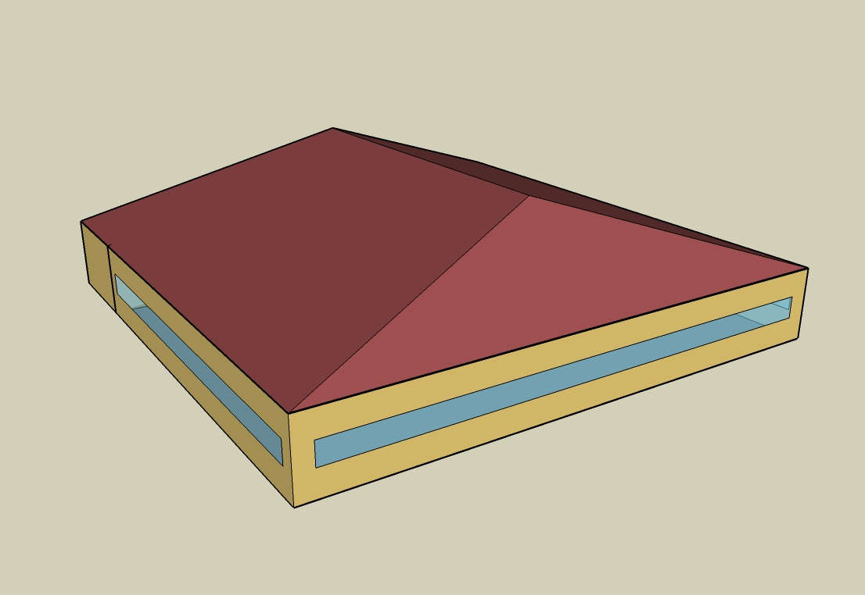
DOE Commercial Building Benchmark - Full Service Restaurant

Electricity
 | Cooling | Interior Lighting | Exterior Lighting | Interior Equipment | Fans | Refrigeration
Miami | 145,977.78 | 80,500.00 | 4,686.11 | 166,402.78 | 63,036.11 | 18,694.44
Houston | 96,183.33 | 80,500.00 | 4,677.78 | 166,402.78 | 57,194.44 | 17,966.67
Phoenix | 93,394.44 | 80,500.00 | 4,677.78 | 166,402.78 | 58,383.33 | 17,897.22
Atlanta | 54,572.22 | 80,500.00 | 4,686.11 | 166,402.78 | 57,627.78 | 17,216.67
Los Angeles | 21,163.89 | 80,500.00 | 4,683.33 | 166,402.78 | 56,019.44 | 17,275.00
Las Vegas | 65,241.67 | 80,500.00 | 4,680.56 | 166,402.78 | 57,341.67 | 17,372.22
San Francisco | 4,225.00 | 80,500.00 | 4,675.00 | 166,402.78 | 29,252.78 | 16,591.67
Baltimore | 39,150.00 | 80,500.00 | 4,680.56 | 166,402.78 | 33,405.56 | 16,716.67
Albuquerque | 31,516.67 | 80,500.00 | 4,677.78 | 166,402.78 | 59,144.44 | 16,663.89
Seattle | 6,563.89 | 80,500.00 | 4,672.22 | 166,402.78 | 30,516.67 | 16,283.33
Chicago | 27,555.56 | 80,500.00 | 4,672.22 | 166,402.78 | 34,425.00 | 16,369.44
Boulder | 20,147.22 | 80,500.00 | 4,675.00 | 166,402.78 | 35,625.00 | 16,275.00
Minneapolis | 24,116.67 | 80,500.00 | 4,677.78 | 166,402.78 | 34,861.11 | 16,208.33
Helena | 11,272.22 | 80,500.00 | 4,672.22 | 166,402.78 | 35,833.33 | 15,944.44
Duluth | 8,288.89 | 80,500.00 | 4,669.44 | 166,402.78 | 33,761.11 | 15,694.44
Fairbanks | 2,908.33 | 80,500.00 | 4,641.67 | 166,402.78 | 67,913.89 | 15,316.67

Gas
 | Heating | Interior Equipment | Water Systems
Miami | 15,570.00 | 800,920.00 | 124,480.00
Houston | 223,720.00 | 800,920.00 | 156,350.00
Phoenix | 157,640.00 | 800,920.00 | 138,030.00
Atlanta | 431,220.00 | 800,920.00 | 187,070.00
Los Angeles | 127,590.00 | 800,920.00 | 181,110.00
Las Vegas | 272,740.00 | 800,920.00 | 160,100.00
San Francisco | 450,690.00 | 800,920.00 | 207,390.00
Baltimore | 816,360.00 | 800,920.00 | 211,210.00
Albuquerque | 507,900.00 | 800,920.00 | 206,630.00
Seattle | 762,320.00 | 800,920.00 | 223,780.00
Chicago | 1,107,270.00 | 800,920.00 | 232,400.00
Boulder | 812,210.00 | 800,920.00 | 231,300.00
Minneapolis | 1,405,290.00 | 800,920.00 | 250,710.00
Helena | 1,167,800.00 | 800,920.00 | 254,040.00
Duluth | 1,754,620.00 | 800,920.00 | 280,920.00
Fairbanks | 2,619,010.00 | 800,920.00 | 317,470.00

EUI
 | Cooling (elec) | Interior Lighting (elec) | Exterior Lighting (elec) | Interior Equipment (elec) | Fans (elec) | Refrigeration (elec) | Heating (gas) | Interior Equipment (gas) | Water Systems (gas)
Miami | 1028.11 | 566.96 | 33.00 | 1171.97 | 443.96 | 131.66 | 30.46 | 1566.90 | 243.53
Houston | 677.41 | 566.96 | 32.95 | 1171.97 | 402.82 | 126.54 | 437.68 | 1566.90 | 305.88
Phoenix | 657.77 | 566.96 | 32.95 | 1171.97 | 411.19 | 126.05 | 308.40 | 1566.90 | 270.04
Atlanta | 384.35 | 566.96 | 33.00 | 1171.97 | 405.87 | 121.26 | 843.63 | 1566.90 | 365.98
Los Angeles | 149.06 | 566.96 | 32.98 | 1171.97 | 394.54 | 121.67 | 249.61 | 1566.90 | 354.32
Las Vegas | 459.49 | 566.96 | 32.96 | 1171.97 | 403.85 | 122.35 | 533.58 | 1566.90 | 313.22
San Francisco | 29.76 | 566.96 | 32.93 | 1171.97 | 206.03 | 116.85 | 881.72 | 1566.90 | 405.73
Baltimore | 275.73 | 566.96 | 32.96 | 1171.97 | 235.27 | 117.73 | 1597.10 | 1566.90 | 413.21
Albuquerque | 221.97 | 566.96 | 32.95 | 1171.97 | 416.55 | 117.36 | 993.64 | 1566.90 | 404.25
Seattle | 46.23 | 566.96 | 32.91 | 1171.97 | 214.93 | 114.68 | 1491.38 | 1566.90 | 437.80
Chicago | 194.07 | 566.96 | 32.91 | 1171.97 | 242.45 | 115.29 | 2166.23 | 1566.90 | 454.66
Boulder | 141.90 | 566.96 | 32.93 | 1171.97 | 250.90 | 114.62 | 1588.99 | 1566.90 | 452.51
Minneapolis | 169.85 | 566.96 | 32.95 | 1171.97 | 245.52 | 114.15 | 2749.27 | 1566.90 | 490.48
Helena | 79.39 | 566.96 | 32.91 | 1171.97 | 252.37 | 112.30 | 2284.65 | 1566.90 | 497.00
Duluth | 58.38 | 566.96 | 32.89 | 1171.97 | 237.78 | 110.54 | 3432.69 | 1566.90 | 549.58
Fairbanks | 20.48 | 566.96 | 32.69 | 1171.97 | 478.31 | 107.87 | 5123.76 | 1566.90 | 621.09

Water
 | Total Building | Water for Electricity (m3)
Miami | 1,377.36 | 253.91
Houston | 1,377.36 | 688.15
Phoenix | 1,377.36 | 12,513.20
Atlanta | 1,377.36 | 2,378.86
Los Angeles | 1,377.36 | 6,075.86
Las Vegas | 1,377.36 | 10,741.60
San Francisco | 1,377.36 | 5,296.28
Baltimore | 1,377.36 | 77.39
Albuquerque | 1,377.36 | 1,629.74
Seattle | 1,377.36 | 3,115.53
Chicago | 1,377.36 | 511.86
Boulder | 1,377.36 | 1,469.53
Minneapolis | 1,377.36 | 506.96
Helena | 1,377.36 | 19,929.90
Duluth | 1,377.36 | 479.89
Fairbanks | 1,377.36 | 345.01

Carbon
 | Carbon Equivalent (kg)
Miami | 148,416.17
Houston | 162,368.68
Phoenix | 146,941.94
Atlanta | 142,956.50
Los Angeles | 60,450.95
Las Vegas | 154,305.19
San Francisco | 61,562.17
Baltimore | 124,954.34
Albuquerque | 173,941.92
Seattle | 54,435.01
Chicago | 214,501.76
Boulder | 165,461.05
Minneapolis | 156,155.66
Helena | 155,059.37
Duluth | 157,026.87
Fairbanks | 162,416.22

LghtSch
Lighting Schedules
 | Weekday | Saturday | Sunday
 | 0.45 | 0.45 | 0.45
 | 0.15 | 0.15 | 0.15
 | 0.15 | 0.15 | 0.15
 | 0.15 | 0.15 | 0.15
 | 0.15 | 0.15 | 0.15
 | 0.45 | 0.45 | 0.45
 | 0.9 | 0.9 | 0.9
 | 0.9 | 0.9 | 0.9
 | 0.9 | 0.9 | 0.9
 | 0.9 | 0.9 | 0.9
 | 0.9 | 0.9 | 0.9
 | 0.9 | 0.9 | 0.9
 | 0.9 | 0.9 | 0.9
 | 0.9 | 0.9 | 0.9
 | 0.9 | 0.9 | 0.9
 | 0.9 | 0.9 | 0.9
 | 0.9 | 0.9 | 0.9
 | 0.9 | 0.9 | 0.9
 | 0.9 | 0.9 | 0.9
 | 0.9 | 0.9 | 0.9
 | 0.9 | 0.9 | 0.9
 | 0.9 | 0.9 | 0.9
 | 0.9 | 0.9 | 0.9
 | 0.9 | 0.9 | 0.9

EqpSch
Kitchen Equipment Schedules
 | Weekday | Saturday | Sunday
 | 0.1 | 0.1 | 0.1
 | 0.1 | 0.1 | 0.1
 | 0.1 | 0.1 | 0.1
 | 0.1 | 0.1 | 0.1
 | 0.1 | 0.1 | 0.1
 | 0.1 | 0.1 | 0.1
 | 0.25 | 0.25 | 0.25
 | 0.35 | 0.35 | 0.35
 | 0.35 | 0.35 | 0.35
 | 0.25 | 0.25 | 0.25
 | 0.35 | 0.35 | 0.35
 | 0.35 | 0.35 | 0.35
 | 0.35 | 0.35 | 0.35
 | 0.25 | 0.25 | 0.25
 | 0.25 | 0.25 | 0.25
 | 0.25 | 0.25 | 0.25
 | 0.35 | 0.35 | 0.35
 | 0.35 | 0.35 | 0.35
 | 0.35 | 0.35 | 0.35
 | 0.25 | 0.25 | 0.25
 | 0.25 | 0.25 | 0.25
 | 0.25 | 0.25 | 0.25
 | 0.25 | 0.25 | 0.25
 | 0.25 | 0.25 | 0.25

GasEquipSch
Kitchen Gas Equipment Schedule
 | AllDays
 | 0.02
 | 0.02
 | 0.02
 | 0.02
 | 0.02
 | 0.05
 | 0.1
 | 0.15
 | 0.2
 | 0.15
 | 0.25
 | 0.25
 | 0.25
 | 0.2
 | 0.15
 | 0.2
 | 0.3
 | 0.3
 | 0.3
 | 0.2
 | 0.2
 | 0.15
 | 0.1
 | 0.05

OccSch
Occupancy Schedules
 | Weekday | Saturday | Sunday
 | 0.05 | 0.05 | 0.05
 | 0 | 0 | 0
 | 0 | 0 | 0
 | 0 | 0 | 0
 | 0 | 0 | 0
 | 0.05 | 0 | 0
 | 0.1 | 0.05 | 0.05
 | 0.4 | 0.5 | 0.5
 | 0.4 | 0.5 | 0.5
 | 0.4 | 0.4 | 0.2
 | 0.2 | 0.2 | 0.2
 | 0.5 | 0.45 | 0.3
 | 0.8 | 0.5 | 0.5
 | 0.7 | 0.5 | 0.5
 | 0.4 | 0.35 | 0.3
 | 0.2 | 0.3 | 0.2
 | 0.25 | 0.3 | 0.25
 | 0.5 | 0.3 | 0.35
 | 0.8 | 0.7 | 0.55
 | 0.8 | 0.9 | 0.65
 | 0.8 | 0.7 | 0.7
 | 0.5 | 0.65 | 0.35
 | 0.35 | 0.55 | 0.2
 | 0.2 | 0.35 | 0.2

HeatSch
Dining Heating Set Point Schedules
 | Weekday | Saturday | Sunday
 | 21 | 21 | 21
 | 15.6 | 15.6 | 15.6
 | 15.6 | 15.6 | 15.6
 | 15.6 | 15.6 | 15.6
 | 15.6 | 15.6 | 15.6
 | 21 | 21 | 21
 | 21 | 21 | 21
 | 21 | 21 | 21
 | 21 | 21 | 21
 | 21 | 21 | 21
 | 21 | 21 | 21
 | 21 | 21 | 21
 | 21 | 21 | 21
 | 21 | 21 | 21
 | 21 | 21 | 21
 | 21 | 21 | 21
 | 21 | 21 | 21
 | 21 | 21 | 21
 | 21 | 21 | 21
 | 21 | 21 | 21
 | 21 | 21 | 21
 | 21 | 21 | 21
 | 21 | 21 | 21
 | 21 | 21 | 21

CoolSch
Dining Cooling Set Point Schedules
 | Weekday | Saturday | Sunday
 | 24 | 24 | 24
 | 30 | 30 | 30
 | 30 | 30 | 30
 | 30 | 30 | 30
 | 30 | 30 | 30
 | 24 | 24 | 24
 | 24 | 24 | 24
 | 24 | 24 | 24
 | 24 | 24 | 24
 | 24 | 24 | 24
 | 24 | 24 | 24
 | 24 | 24 | 24
 | 24 | 24 | 24
 | 24 | 24 | 24
 | 24 | 24 | 24
 | 24 | 24 | 24
 | 24 | 24 | 24
 | 24 | 24 | 24
 | 24 | 24 | 24
 | 24 | 24 | 24
 | 24 | 24 | 24
 | 24 | 24 | 24
 | 24 | 24 | 24
 | 24 | 24 | 24

HeatSchKitchen
Kitchen Heating Set Point Schedules
 | Weekday | Saturday | Sunday
 | 19 | 19 | 19
 | 15.6 | 15.6 | 15.6
 | 15.6 | 15.6 | 15.6
 | 15.6 | 15.6 | 15.6
 | 15.6 | 15.6 | 15.6
 | 19 | 19 | 19
 | 19 | 19 | 19
 | 19 | 19 | 19
 | 19 | 19 | 19
 | 19 | 19 | 19
 | 19 | 19 | 19
 | 19 | 19 | 19
 | 19 | 19 | 19
 | 19 | 19 | 19
 | 19 | 19 | 19
 | 19 | 19 | 19
 | 19 | 19 | 19
 | 19 | 19 | 19
 | 19 | 19 | 19
 | 19 | 19 | 19
 | 19 | 19 | 19
 | 19 | 19 | 19
 | 19 | 19 | 19
 | 19 | 19 | 19

CoolSchKitchen
Kitchen Cooling Set Point Schedules
 | Weekday | Saturday | Sunday
 | 26 | 26 | 26
 | 30 | 30 | 30
 | 30 | 30 | 30
 | 30 | 30 | 30
 | 30 | 30 | 30
 | 26 | 26 | 26
 | 26 | 26 | 26
 | 26 | 26 | 26
 | 26 | 26 | 26
 | 26 | 26 | 26
 | 26 | 26 | 26
 | 26 | 26 | 26
 | 26 | 26 | 26
 | 26 | 26 | 26
 | 26 | 26 | 26
 | 26 | 26 | 26
 | 26 | 26 | 26
 | 26 | 26 | 26
 | 26 | 26 | 26
 | 26 | 26 | 26
 | 26 | 26 | 26
 | 26 | 26 | 26
 | 26 | 26 | 26
 | 26 | 26 | 26

